Report
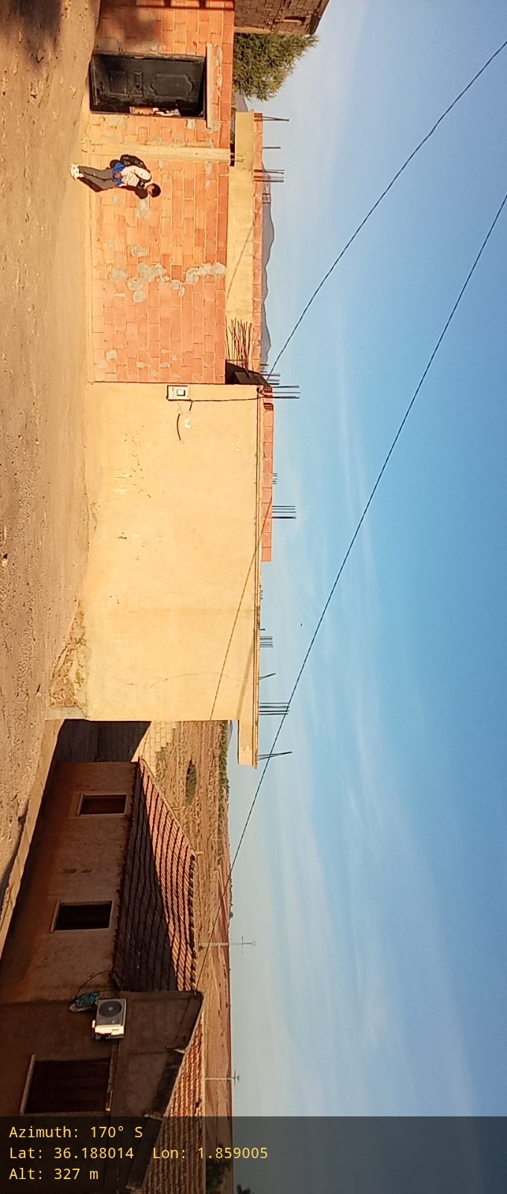 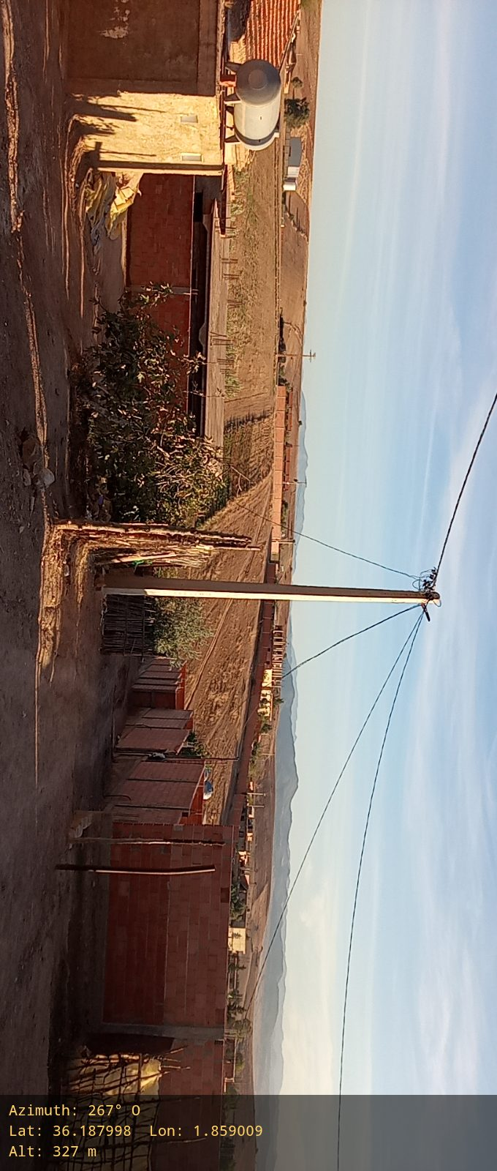
Report (Lot n°150_2629)

General Site Information
Locality Name | Ouled Zhar | Locality ID | Lot n°150_2629 | Site Type (GF/RT) | RT
Region | Aïn Defla | Commune | Bourached | Possibility to deploy RT site (Yes/No) | Yes
Longitude ( degré) | 1.85896 | Latitude( degré) | 36.187973 | Altitude (m) | 330
agglo name conform with the name agglo on the field (Y/N) | Yes | Site Acquisition Phone number | Na | Site Acquisition email Address | Na
Village Contact Person (Name and contact) | Na |  | Land Owner info (Name and contact) | Na
Rural Site height | Na | Space Required Available | Na | Space Available | Na
Access Road Available | Yes | Width of the access road (m) | 5 | Distance to main road (m) | 20
Soil Type | Normal Soil | Site surface | Na | Main Power ( Yes /No ) | Yes
Surface Relief | Na | Rainy Season period | Na | site Access ( Ok/Nok ) | ok
Surrounding Environment Remark (Sight Distance and Photo for all directions) |  | Na |  | Land Acquisition (Type) | Privite
Matrilas Delivery To the site |  | Na
Network
2G or 3G Voice Nerwork (Y/N) | Y | test Voice Qualité ( Good, Bad) | Good
4GData Nerwork (Y/N) | N | Speed test 4GMpps | Na
Site Location photo
Site Location photo (Go to the site and take a screen shot from mobile phone to make sure you are near the site location) | 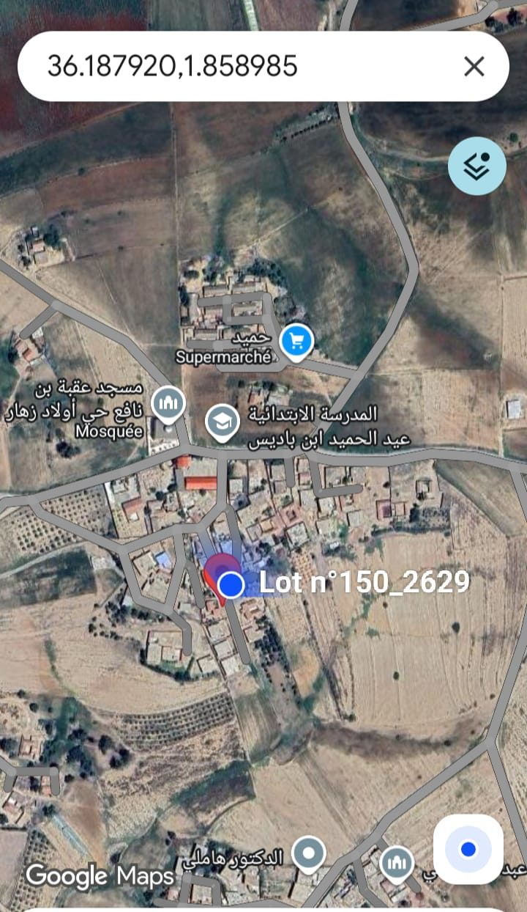
Power INFO-Access Site
Power Availability | Nearest Power Source Position /M (how Many Meters) | Power Access Photos To the site
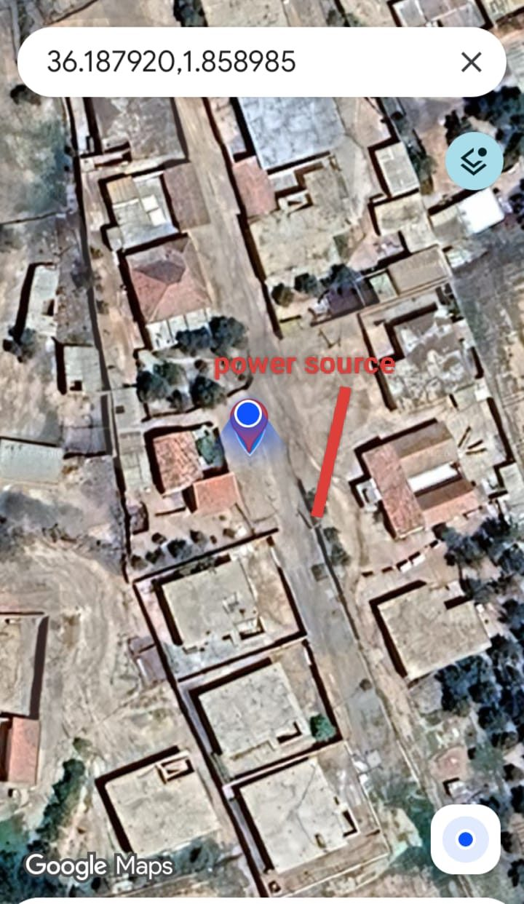 | 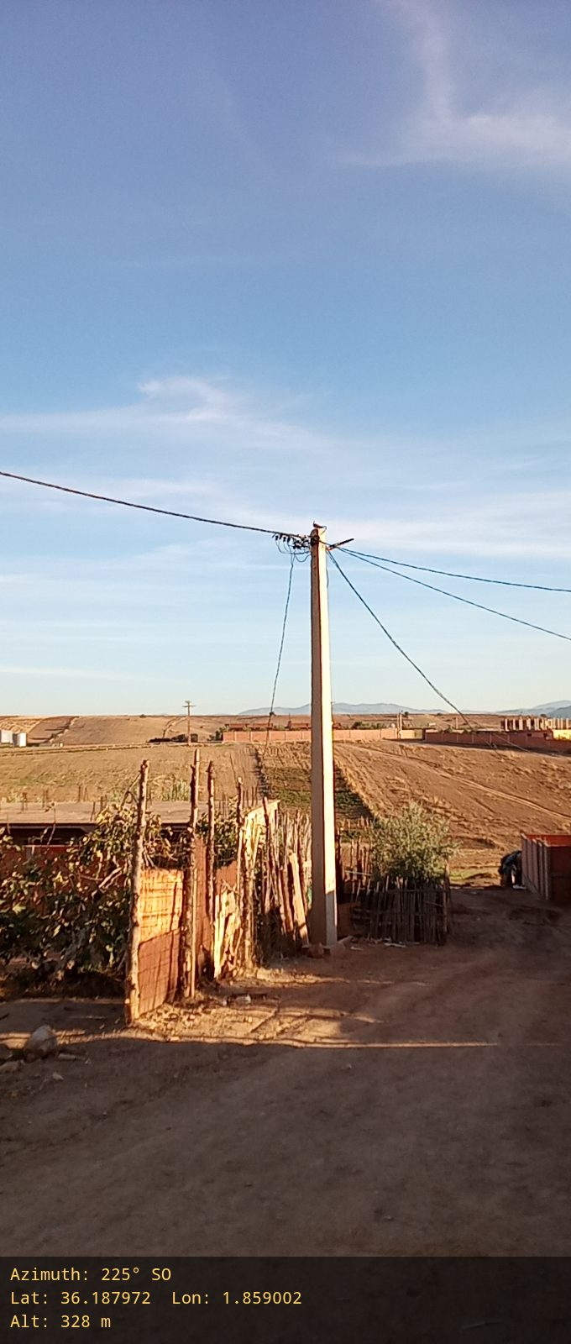 | 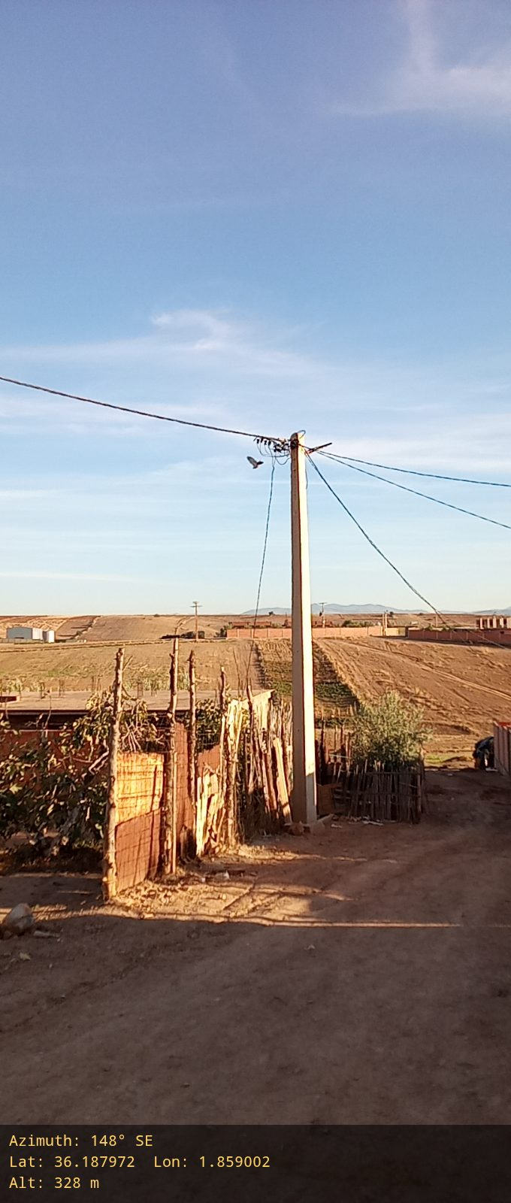 |  | 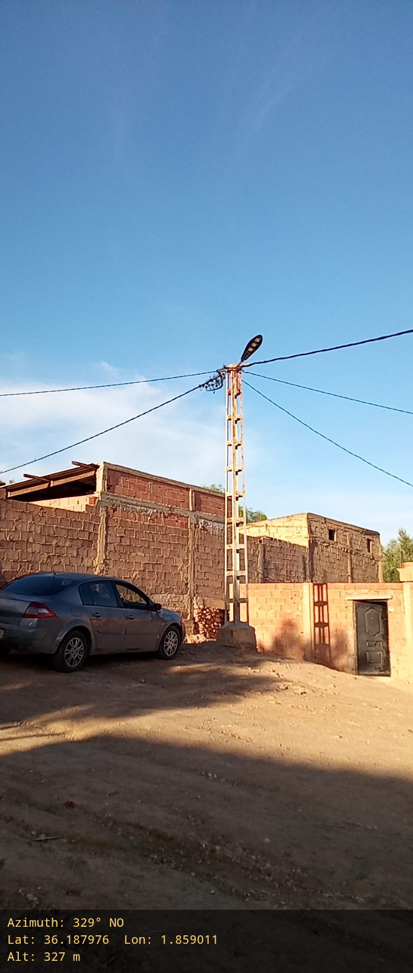
Genral Photo on Site
0° |  |  | 30°
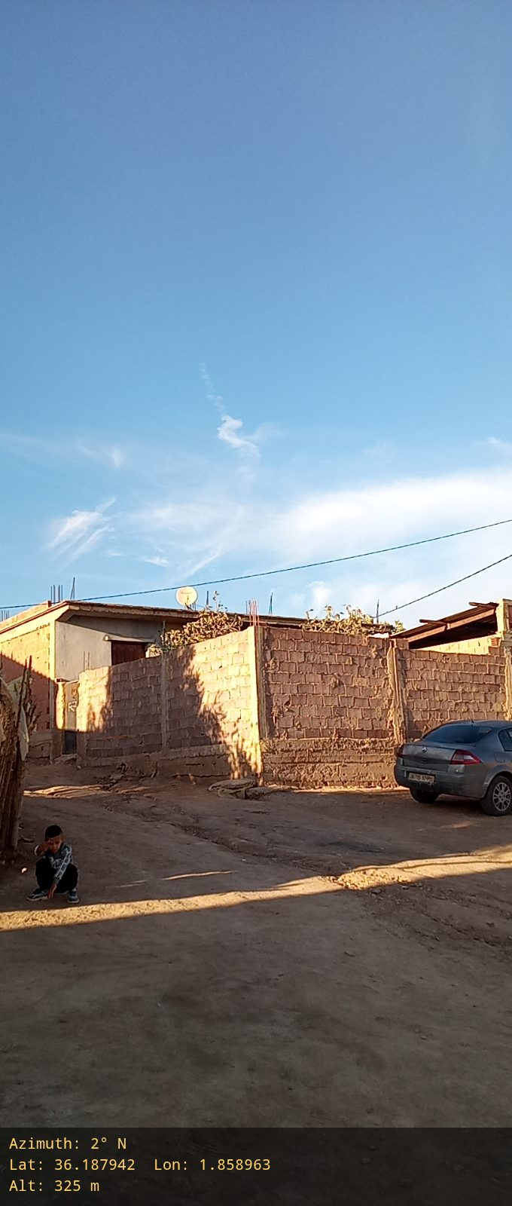 |  |  | 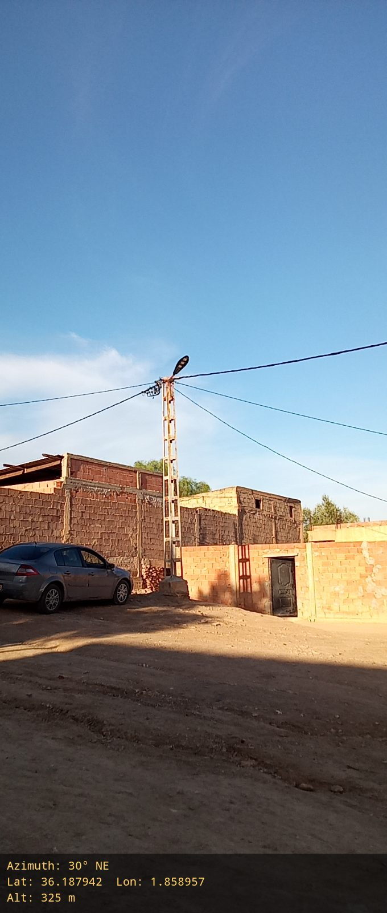
60° |  |  | 90°
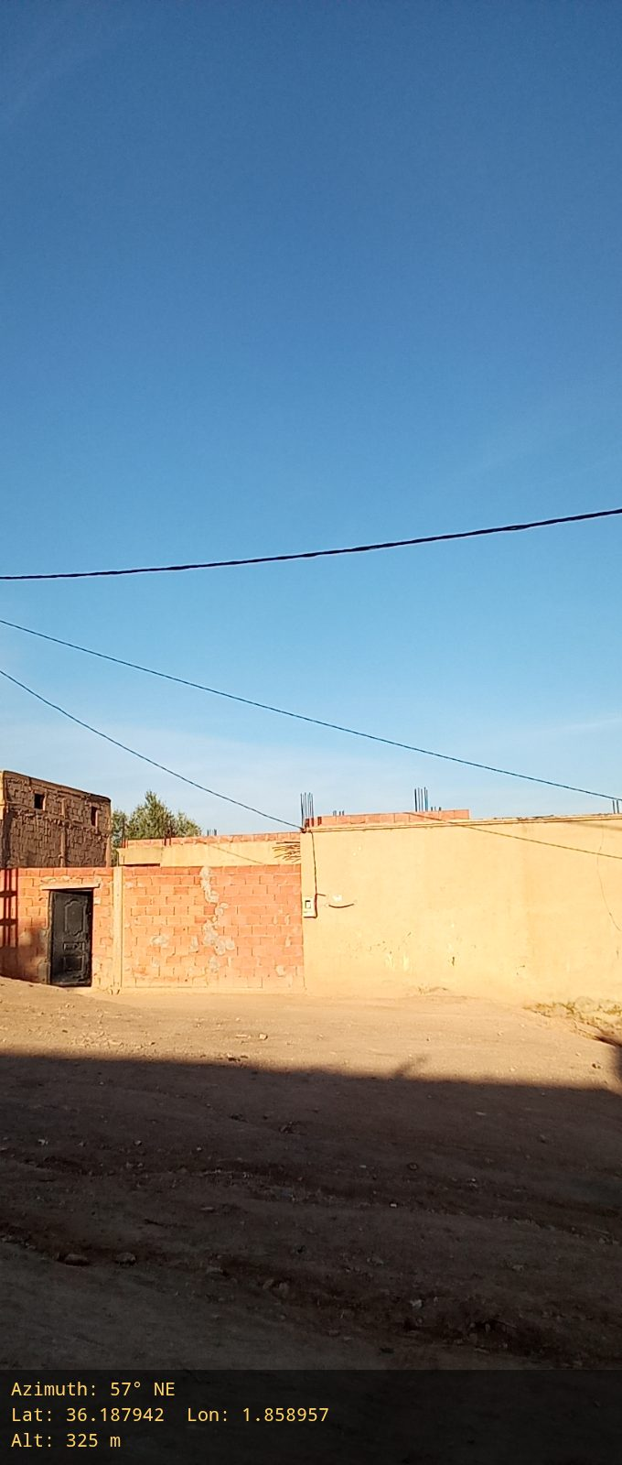 |  |  | 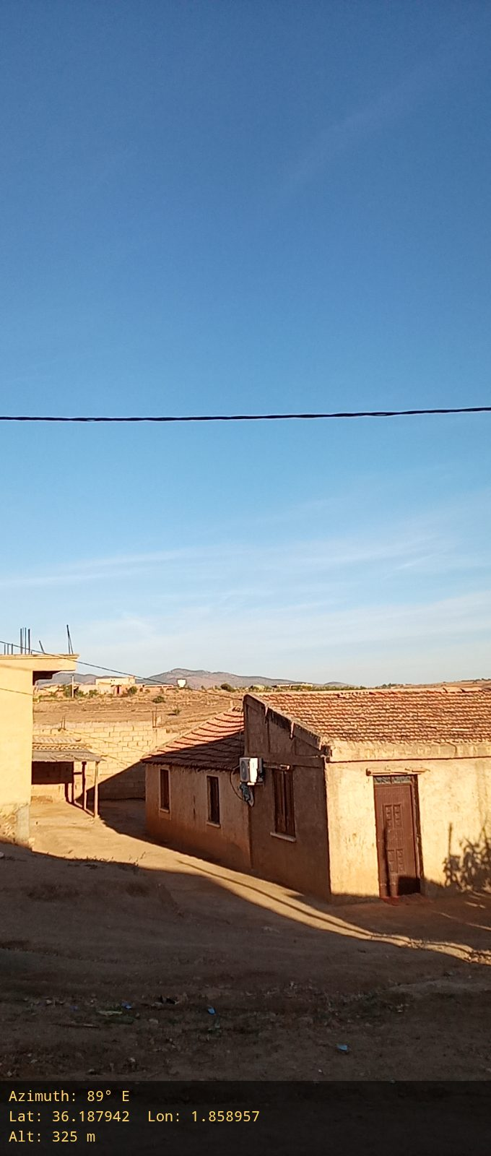
120° |  |  | 150°
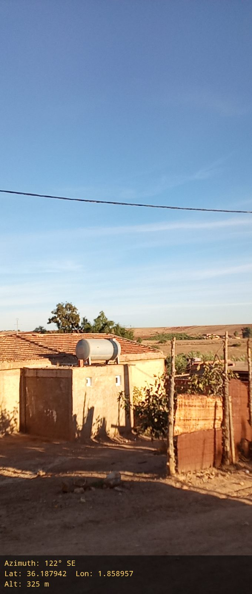 |  |  | 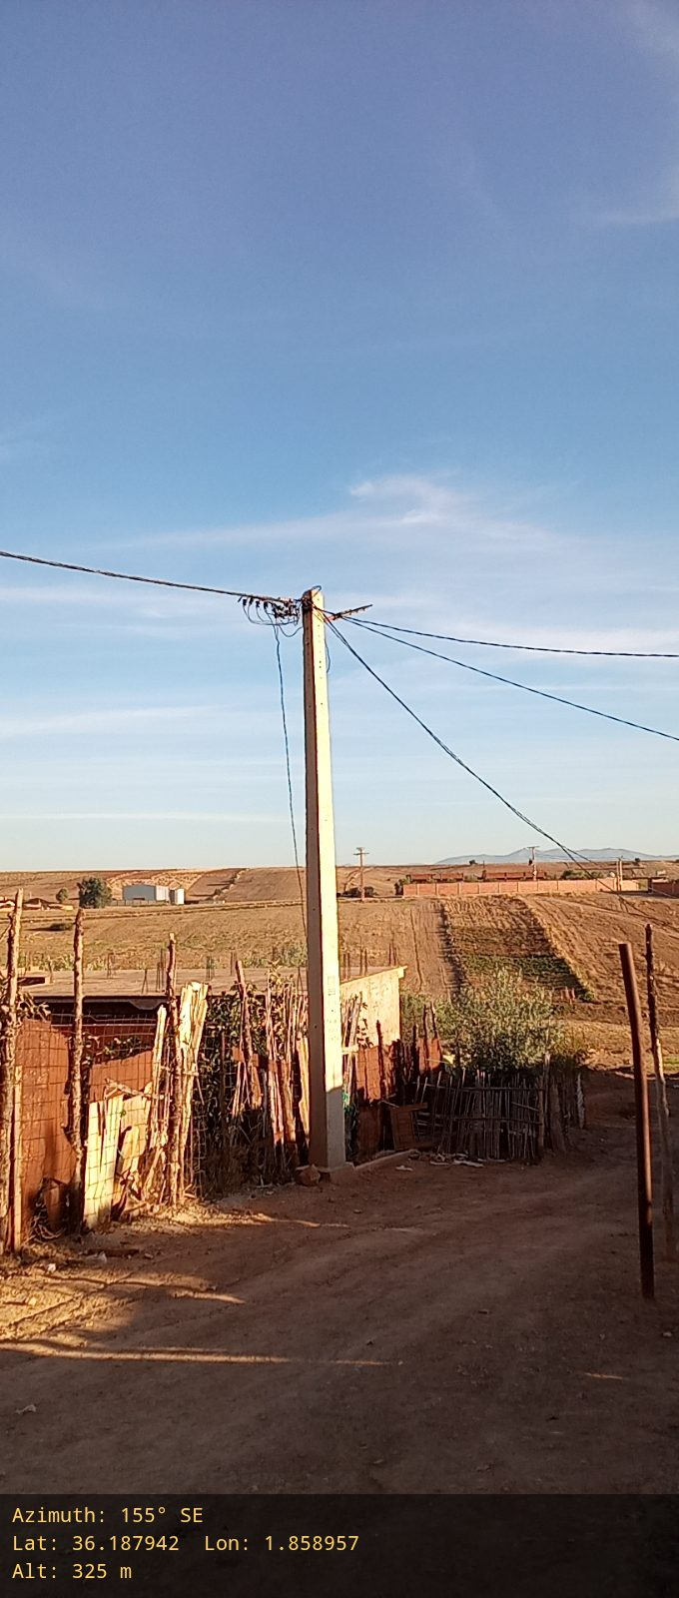
180° |  |  | 210°
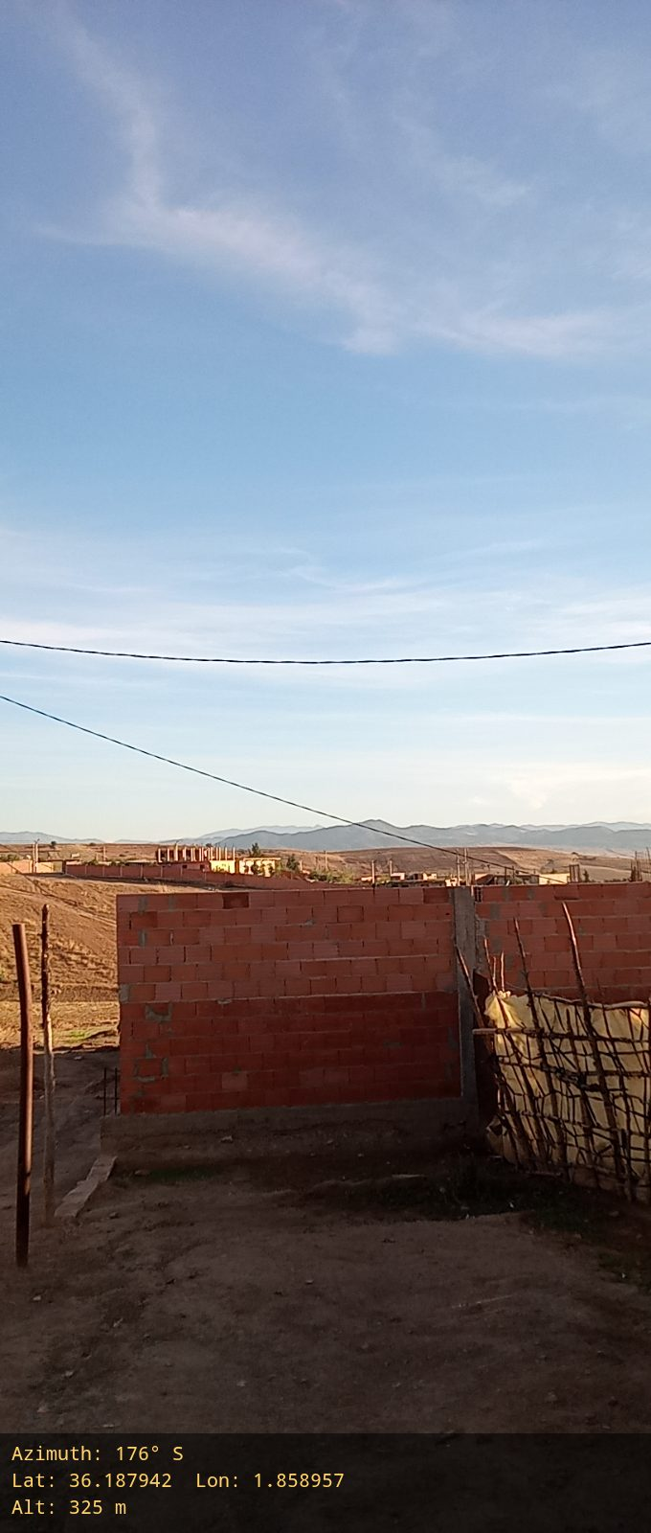 |  |  | 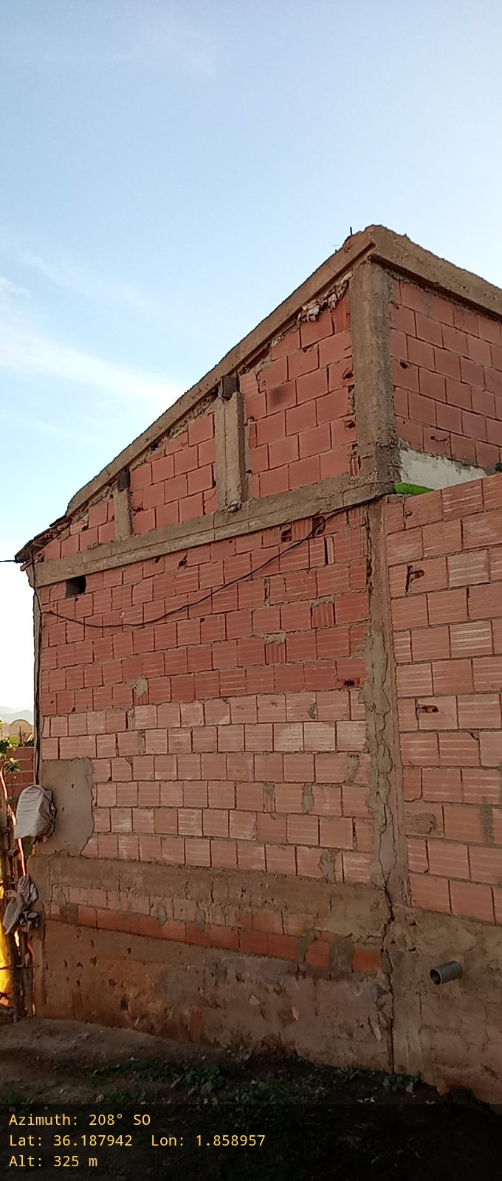
240° |  |  | 270°
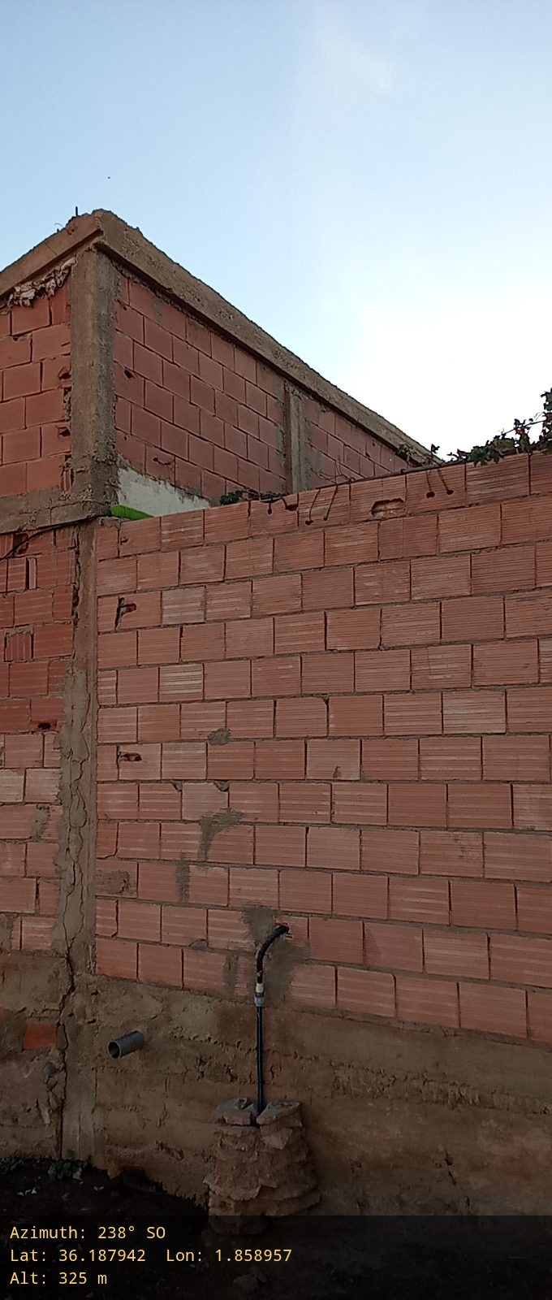 |  |  | 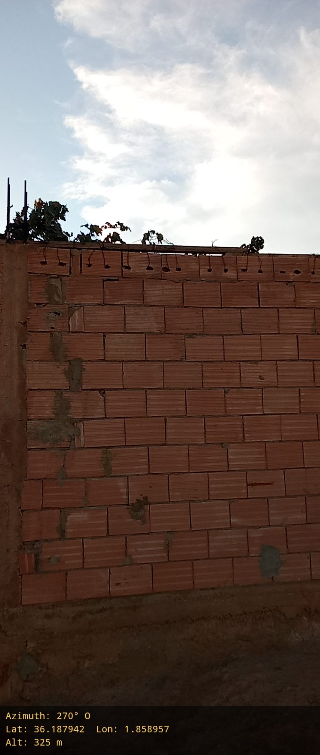
300° |  |  | 330°
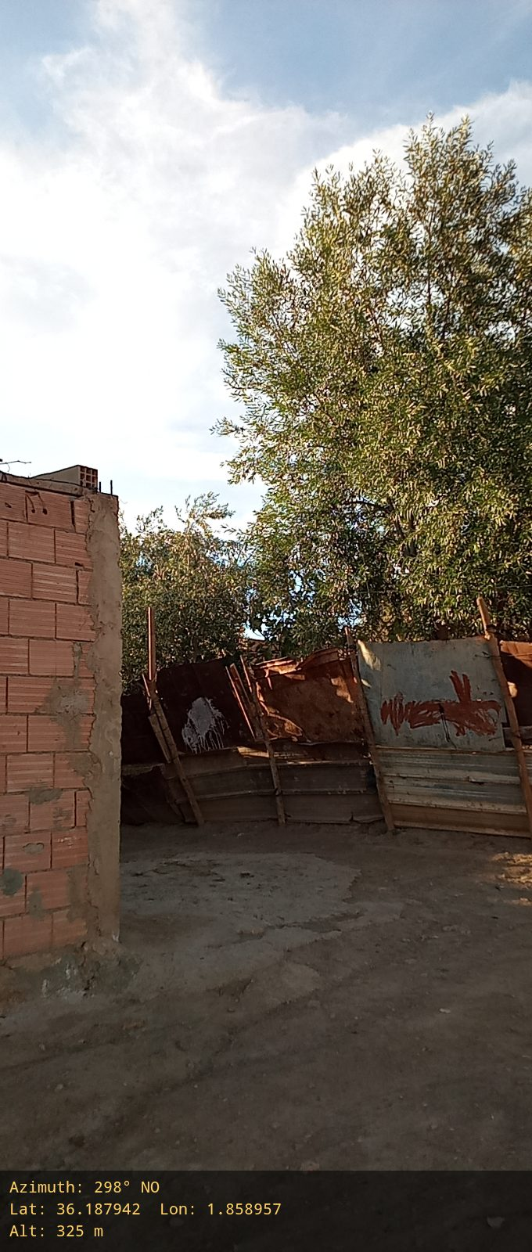 |  |  | 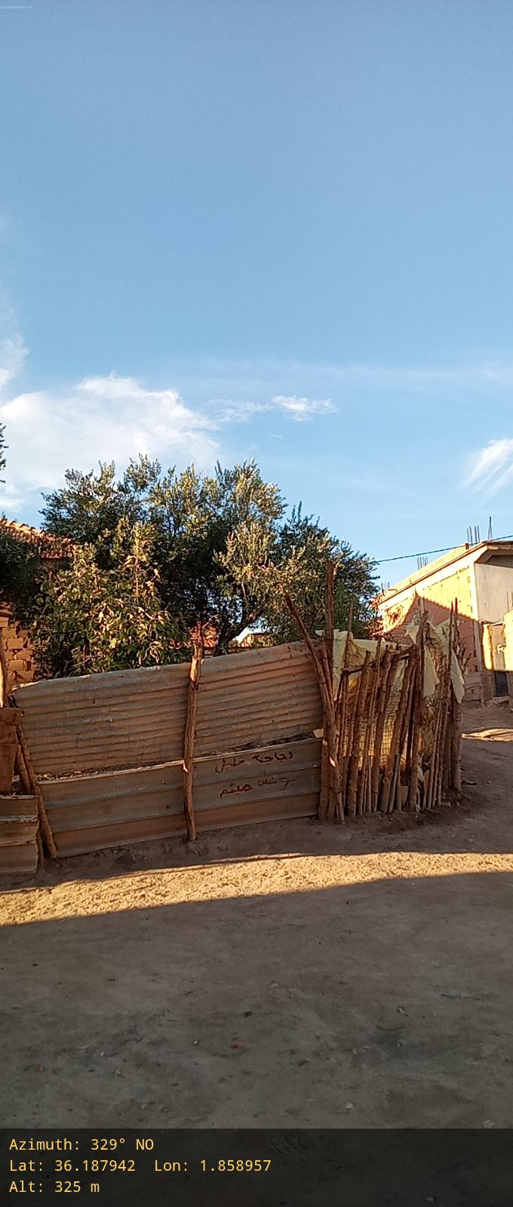
Sounding Obstacles (Mountains /Buildings ),etc |  | Road Access (Photos)
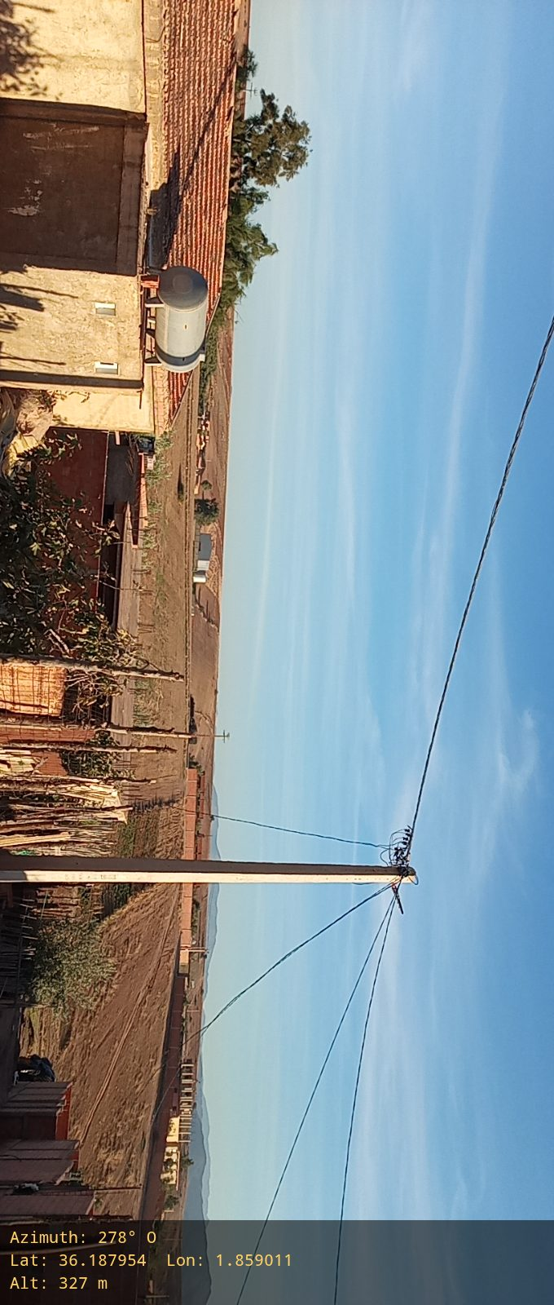 |  | 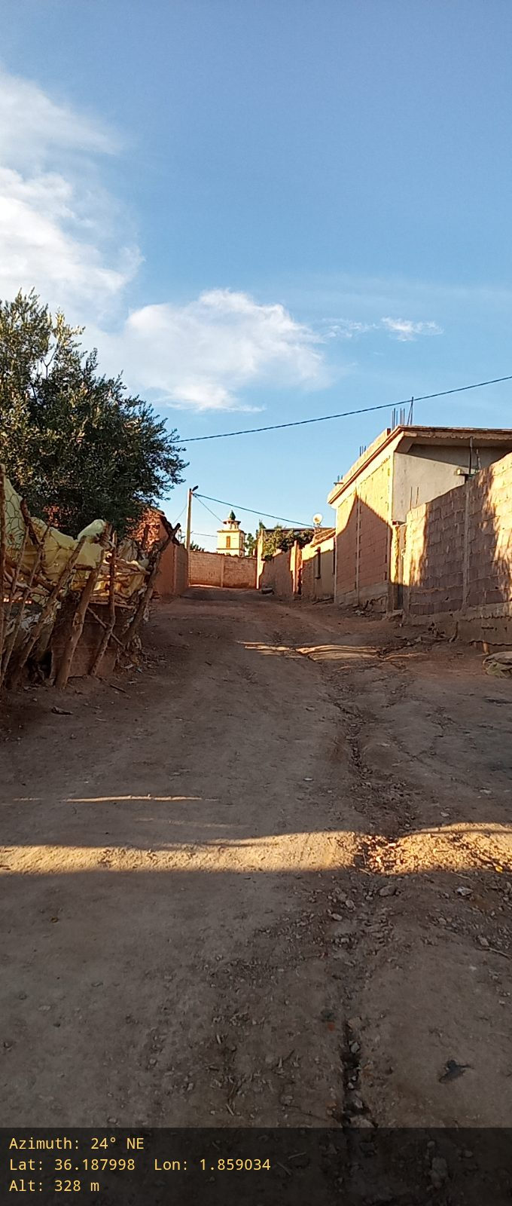 |  | 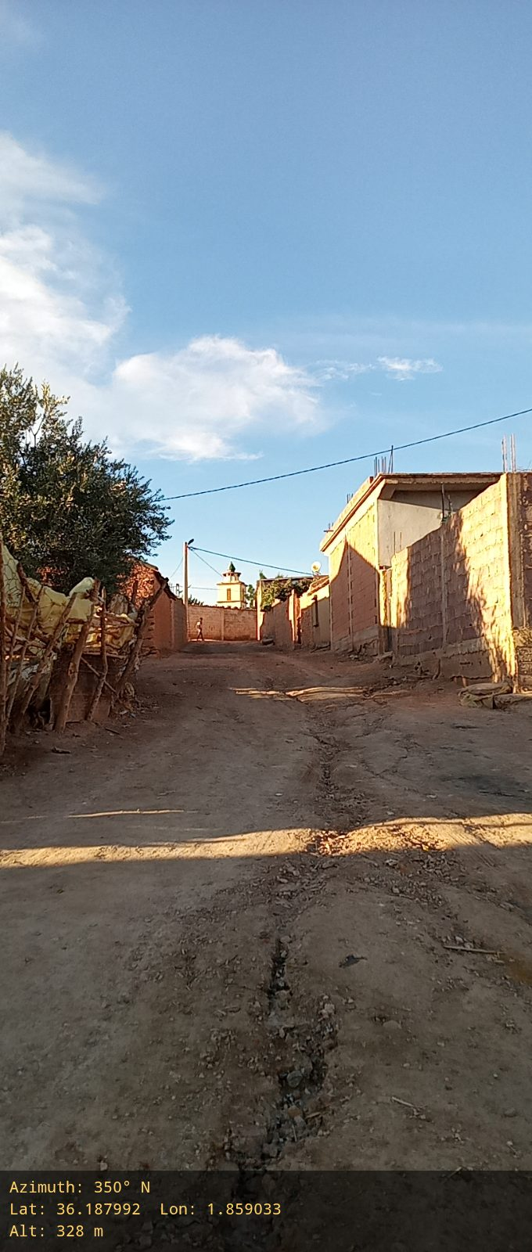
.
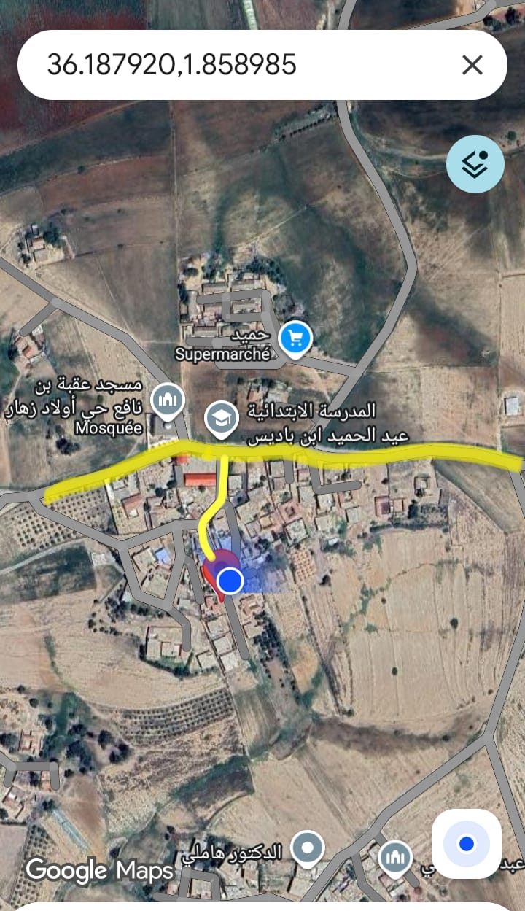
Area Power Source Photos
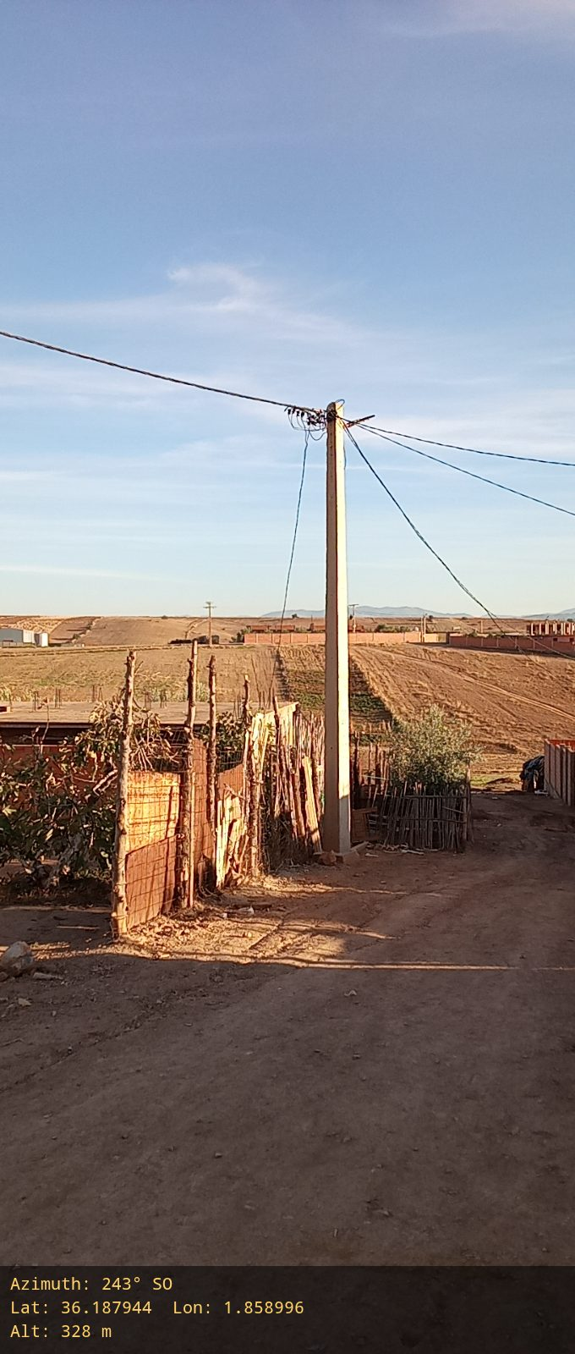 |  |  | 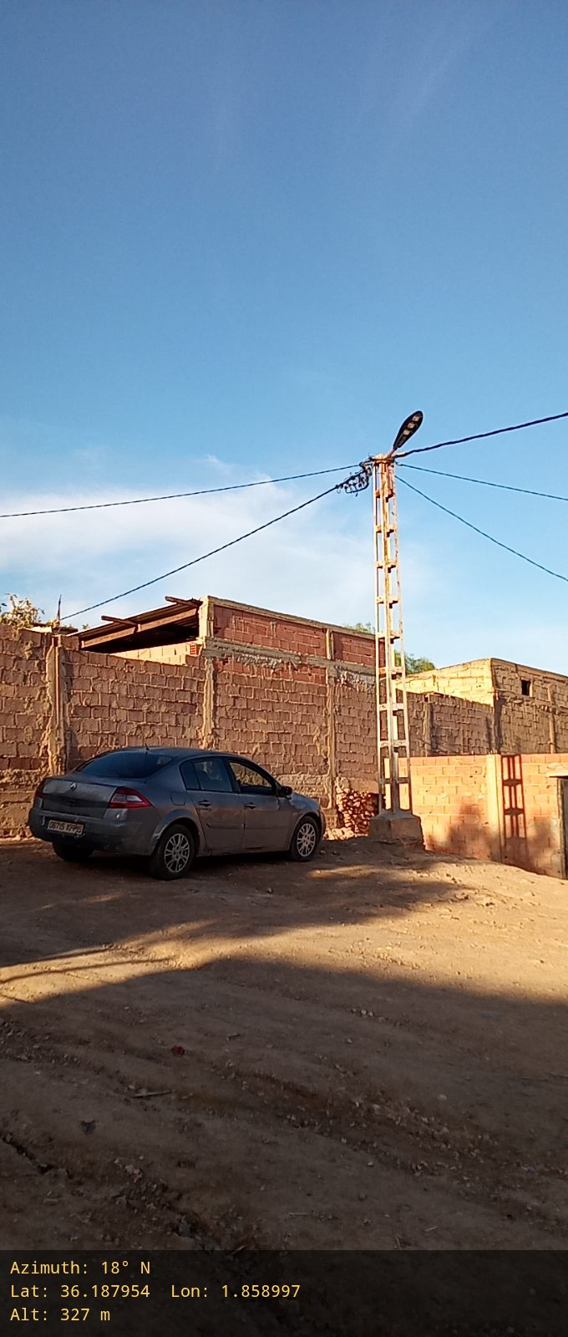
Layout Sketch For power access
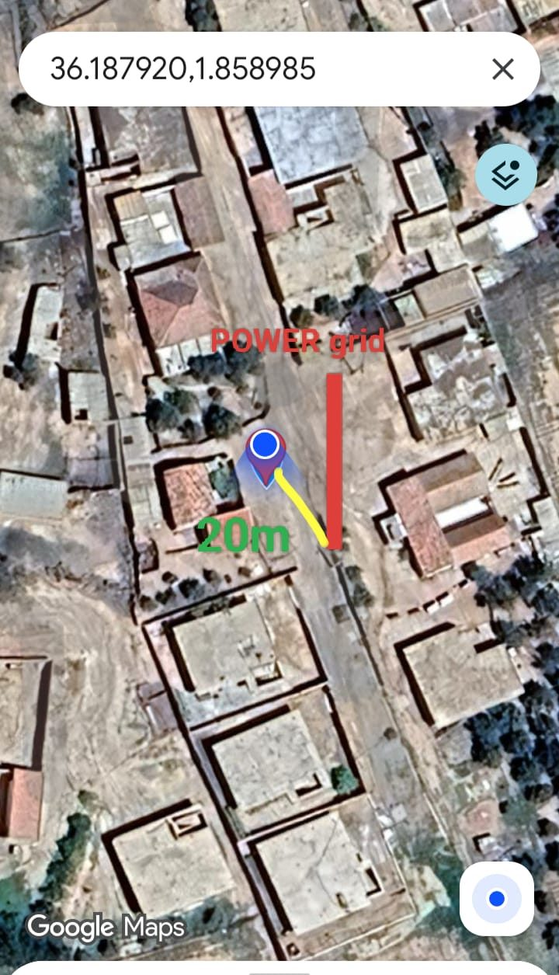
SUT Site: Overview Photos
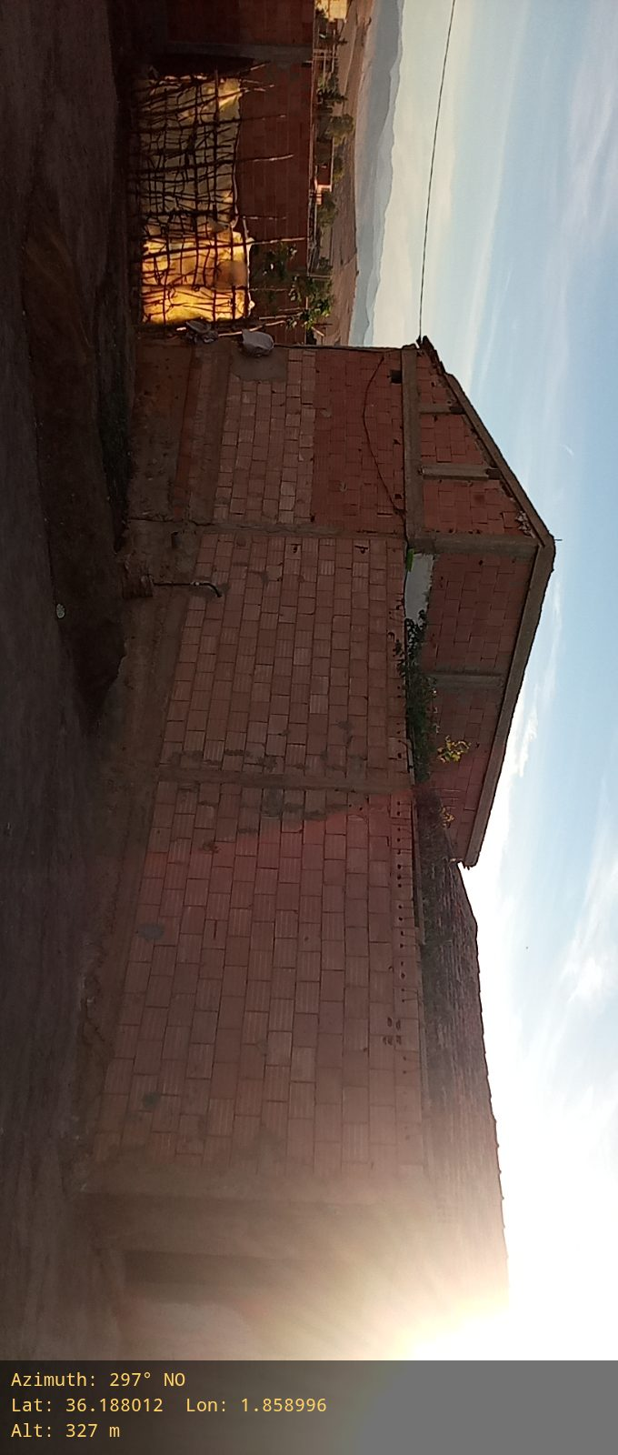 |  |  | 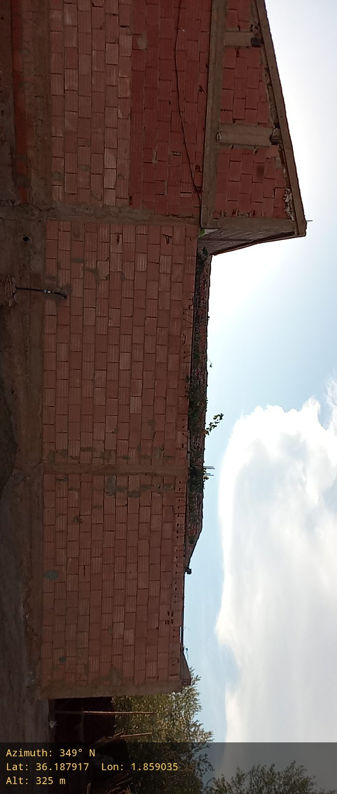
SUT Site: Existing tower photo Overview (Any site surrounding The Proposed area ),Operator Name (OTA /OA/ATM/AT):
NA
SUT Site: Existing Building around location

